Tabelle1
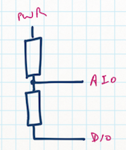
 | Ue | 3,200 | mV
 | R1 | 1,000 | kOhm
 | R2 | 99 | kOhm
 | Ua | 280 | mV

 | Bandgap Voltage | 1,100 | mV

 | Max ADC | 1,023
 | Return from ADC | 264

 | Bandgap/max ADC | 1.075 | V/tick
Ua=Ue*(R2/(R1+R2)) | Recalc of measure | 284 | mV

 |  |  |  | Check
 | Factor | 121 |  | 3,200
 | Adjust factor | 124 |  | 3,224

